1. Title Page
[Sales Analysis for Instacart]

Project Name: Instacart Sales Analysis
Date: 12/28/2021
Analyst Name: Silvana Gutierrez

Contents:
Population Flow
Consistency checks
Wrangling steps
Column derivations
Visualizations
Recommendations

Data Source:
“The Instacart Online Grocery Shopping Dataset 2017”, Accessed from https://www.instacart.com/datasets/grocery-shopping-2017 on November 19, 2021

Project Objective
- Goal of this project is to help the InstaCart Executives understand client spending behavior by profile, most popular departments, and busiest days and hours of the week. - This information will help them build a marketing strategy to improve their targeting for ad campaigns.

Note: Instacart is a real company that’s made their data available online. However, the contents of this project brief
have been fabricated for the purpose of this Achievement

2. Population Flow
Title page

Population flow

Exclusion flag
Condition: max_order < 5
Obervations to be removed:
Final total count of order_products_all: 1,440,295

Orders_products_combined
Orders_products_merged
Orders_products_all

Total: 32,404,859
Total: 32,434,489
Total: 30,964,564

1.) The grey boxes in the first row of the population flow represent the original data sets as they were when you downloaded them. In the Total fields you need to add the count of the rows when you imported the data set into Jupyter.
2.) The second row of boxes (coloured) represents the data sets after you manipulated them, e.g., removed missing values and duplicates. In the Total fields you need to add the count of the rows after conducting these operations. This offers a visual oveview of how the data flows throughout the data consistency checks.
3.) The third row, where also the arrows are coloured, represents the merges you performed between the datasets. In the Total fields you need to add the count of the rows in the merged datasets, so that you end up with the final dataset (in the red box). Keep in mind the final dataset should be without exclusions (based on the exclusion flag).

3. Consistency checks
 |  |  |  | Title page
Consistency checks

Dataset | Missing values | Missing values treatment | Duplicates
orders | 206,209 missing days_since_last_order values | Imputed the missing values with 0
products | 16 | Duplicates and Missing values were removed | 5
orders_products_prior | 0
customers | 0
combined dataframe all | 1,440,295 | Created a new dataset for customers with less than 5 orders
combined dataframe all

4. Wrangling steps
 |  |  |  | Title page
Wrangling steps

Columns dropped | Columns renamed | Columns' type changed | Comment/Reason
orders |  | eval_set (dropped) | this column was not important for analysis
orders |  | orders_dow changed to orders_day_of_week | renamed to make sense to public
orders |  | user_id | changed dtype to string
orders |  | order_id | changed dtype to string
orders_products_combined |  | _merge | _merge column was dropped after merge
customers | GENDER to gender |  | To keep consistent with the other columns
customers | STATE to state |  | To keep consistent with the other columns
customers | Age to age |  | To keep consistent with the other columns
customers
customers
customers |  |  | user_id
customers |  |  | date_joined
instacart_4.10_final2 | first_name and surname removed |  | This information is personal identifiable information (PII) and was removed for this analysis
instacart_4.10_final2 |  | dtypes such as gender, region, family_status, age_group, income_range were changed to category | To maximize the file size

5. Column derivations
 |  |  |  | Title page

Column derivations and aggregations

In this tab you should add tables below that the frequences of flags/label variables that you produced after deriving them. NB: don't do this for continuous variables, only for flags.
Dataset | New column | Column/s it was derived from | Conditions
orders_products_merged | price_range_loc | price | > 15, 'price_range = 'High-range product' <= 15 and > 5), 'price_range = 'Mid-range product' <= 5, 'price_range = 'Low-range product'
orders_products_merged | busiest_days | orders_day_of_week | if value <= 1: # 0, 1 Saturday and Sunday = ("Busiest days") if value >= 3 and value <=4: # 3, 4 Tuesday and Wednesday ("Slowest days") if: #2, 5, 6, Monday, Thursday, Friday ("Regularly busy")
orders_products_merged | busiest_period_of_day | order_hour_of_day | ran a frequency check on the busiest hours and created conditions based on the times and frequency. Set as fewest orders, average orders, and most orders
orders_products_merged | frequency_flag | days_since_prior_order (average) | frequent customers <=10 Regular Customer >10 and <=20 Non frequent customer > 20 days
orders_products_merged | spending_flag' | prices (average) | High Spender >=10 Low Spender < 10
orders_products_merged | loyalty_flag | max_order | > 40 = 'loyal customer', if >10 & >= 40 = 'regular customer', if max order <10 = 'new customer'
instacart_final2_4.10 | exclusion_flag | max_order | < 5 = 'low-activity customer', if >= 5 or greater = 'high_activity customer'
instacart_final2_4.10 | age_range | age | <= 20: ('18-20') if (value > 20) and (value <= 30): age_group.append('21-30') if (value > 30) and (value <= 40): age_group.append('31-40') if (value > 40) and (value <= 50): age_group.append('41-50') if (value > 50) and (value <= 60): age_group.append('51-60') if (value > 60) and (value <= 70): age_group.append('61-70') if (value > 70) and (value <= 80): age_group.append('71-80') if (value > 80) and (value <= 82): age_group.append('80+')
instacart_final2_4.10 | income_bracket | income | if(value > 25000) and (value <= 40000): income.append('25000-40000') if (value > 40000) and (value <= 80000): income.append('40001-80000') if (value > 80000) and (value <= 120000): income.append('80001-120000') if (value > 120000) and (value <= 160000): income.append('120001-160000') if (value > 160000) and (value <= 210000) income.append('160001-210000') if (value > 210000) and (value <= 520000): income.append('210001-520000') if (value > 520000): income.append('520000+')
instacart_final2_4.10 | parental_status | n_dependants | if dependants =0 then non_parent if >0 = parent
instacart_final2_4.10 | region | state | used Wikipedia as a reference to group the states by region

6. Visualizations
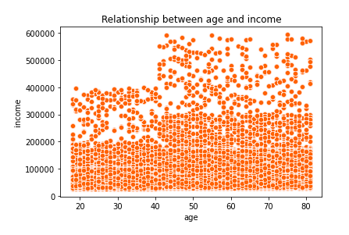
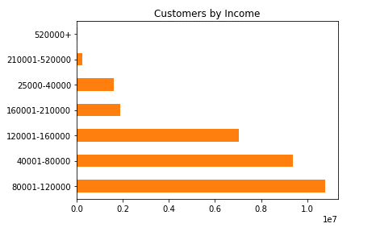
 | Title page

Visualisations

In this tab you should include all the visualtions from Exercises 4.9 and 4.10, alongside the questions from the project brief that they answer. Include any commentary on the relationship between different variables.

Responses:
Orders by Hour: The histogram shows that most orders are placed from 10am-12pm. However, in the hours from 1-3pm you can also see that there are a lot of orders placed.
Orders by Day: Most orders are placed on the weekend
Recommendation:
1. On the weekend mornings, consider pushings ads based that are in the frozen section
The sales team needs to know what the busiest days of the week and hours of the day are (i.e., the days and times with the most orders) in order to schedule ads at times when there are fewer orders.

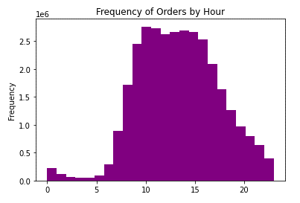
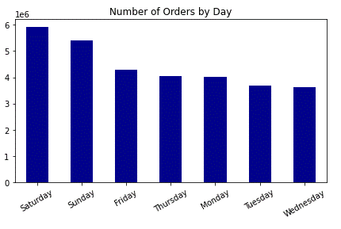

Responses:
Expenditures by Hour : Orders with the highest prices occur in the early morning hours between 12am and 4am
Recommendation:
1. Because the hours are early in the morning, the team should consider pushing "early-bird" ads that are targeted to breakfast and snacks. People are likely to think about food to start their day.
They also want to know whether there are particular times of the day when people spend the most money, as this might inform the type of products they advertise at these times.

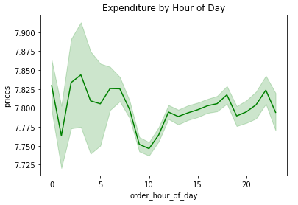

Marketing and sales want to use simpler price range groupings.
Responses:
Price Range Expenditure by Customer Type: Most customers purchase mid-range products. As the chart depicts, you have regular customers who place between 10 and 40 orders ordering mid-range products.
Recommendation:
1. I would simplify the prices of mid-range products.
2. Because mid-range products have prices between $5-$15, I would promote organic produce, as this department is high performing.
Customer Status and Price range
 | Loyal customer | New customer | Regular customer
High-range product | 118606 | 65028 | 209442
Low-range product | 3214690 | 1501288 | 4958862
Mid-range product | 6949467 | 3236480 | 10705824

Responses:
Orders by Department: Produce, Dairy/Eggs and Snacks are the top selling departments. It's no surprise here, as these are essential buys.
Recommendation:
1. As stated earlier, the marketing team should consider promoting their organic products, as most customers pay mid-range prices.
2. I would also consider promoting the generic brands to increase sales in the low-range price range. Perhaps this would open more opportunities to target those customers who are price conscious.
Are there certain types of products that are more popular than others? The marketing and sales teams want to know which departments have the highest frequency of product orders.

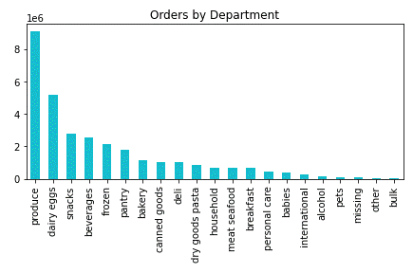

Responses:
Brand Loyalty: Most customers are regular customers - those who have placed 15-40 orders followed by loyal customers who have placed more than 40 orders.
As far as spending habits, most customers, regardless of brand loyalty, purcchase mid-range products
Recommendation:
1. For loyal customers, the InstaCart team should consider rewarding these customers. Perhaps offer free delivery or discount on their next orders.
2. For regular customers, consider activiting a loyalty program where customers can subscribe to loyalty programs and get special offers each month.
What’s the distribution among users in regards to their brand loyalty? Are there differences in ordering habits based on a customer’s loyalty status?

Customer Status and Price range
 | Loyal customer | New customer | Regular customer
High-range product | 118606 | 65028 | 209442
Low-range product | 3214690 | 1501288 | 4958862
Mid-range product | 6949467 | 3236480 | 10705824
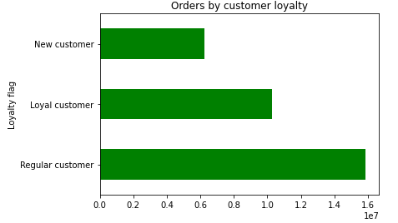

Are there differences in ordering habits based on a customer’s region?

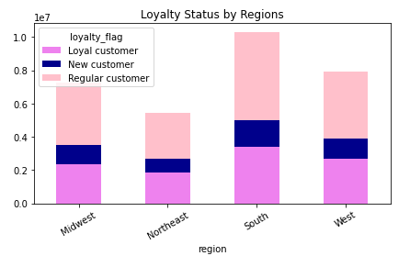
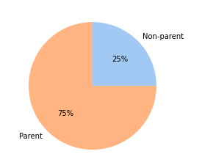
Responses:
Brand Loyalty and Regions: Instacart is performing well in the South Region. The West and Midwest are performing fairly well. However, the Northeast can use a boost in sales.
Recommendation:
1. I would push digital ads in the Northeast Region to promote Instacart in this region.
2. Because most customers are parents (75%), I would recommend launching digital ads on sites were parents visit.

What different classifications does the demographic information suggest? Age? Income? Certain types of goods? Family status?

Customers by Age Group and Frequency
 | Frequent customer | Non-frequent customer | Regular customer
18-20 | 997,289 | 139,424 | 318,015
21-30 | 3,320,407 | 448,834 | 1,080,271
31-40 | 3,311,656 | 443,099 | 1,089,438
41-50 | 3,342,622 | 462,839 | 1,063,171
51-60 | 3,290,875 | 457,850 | 1,086,167
61-70 | 3,285,998 | 449,192 | 1,044,768
71-80 | 3,328,254 | 447,420 | 1,071,128
80+ | 327,375 | 46,317 | 112,155
Responses:
Frequency of customers by age: Instacart has a wide range of client base when it comes to age. Most customers are frequent customers, which means that they order in less than 10 days after their order.
- There is also a positive correlation between age and income. Those customer who are over 40 years of age have higher spending power.
- The bulk of most customers make between 40k - $160k.
Recommendation:
1. Again, my recommendation here is to reward these customers by offering a membership with perks. Seems like these customers enjoy the convenience of online shopping and delivery and as such, a rewards program will keep them happy.

7. Recommendations
 |  | Title page

Recommendations

In this tab you should include any recommendations you would made to Instcart in terms of their marketing strategy based on the questions posed in the brief. Every key question has been covered in the Tasks of the Exercises - here you need to add an item - a visualisation or table/crosstable that is showing the answer in the data, acompanied by a comment from you. Please, list the questions below and add the answer underneath.

PLEASE SEE VISUALIZATIONS TAB WITH RECOMMENDATIONS
Question | Answer
Key Question 1
Key Question 2
Key Question 3
Key Question 4
Key Question 5
Key Question 6
Key Question 7

